MATERIAL LIST
ZOI-CP-FM-1200 ZOI Faraday Series Ceiling Pendant
No. | Nama Bahan Baku | Spesifikasi | Foto Bahan Baku | Jumlah | Satuan Bahan Baku | Produsen | Status
1 | Flang | Meterial Q235A Steel, 450*450 mm, ¢430 mm | 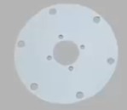 | 1 | pcs | PT Cahaya Hasil Cemerlang Multi Manufaktur | Lokal
2 | Screw | Meterial Q235A Steel, 16*400 mm |  | 1 | set | PT Cahaya Hasil Cemerlang Multi Manufaktur | Lokal
3 | Flange Cover | Material ABS ¢480 mm |  | 6 | pcs | PT Cahaya Hasil Cemerlang Multi Manufaktur | Lokal
4 | Arm Cover | Material ABS |  | 2 | pcs | PT Cahaya Hasil Cemerlang Multi Manufaktur | Lokal
5 | Arm | Material High Strength Aluminium Alloy, Panjang 825 + 825 mm |  | 2 | pcs | Fepdon(Nanjing) Medical Technology Co., Ltd | Impor
6 | Function Column | Material High Strength Aluminium Alloy, Panjang 607mm |  | 1 | pcs | Fepdon(Nanjing) Medical Technology Co., Ltd | Impor
7 | Equipment Platform | Material High Strength Aluminium Alloy, 510*400 mm |  | 2 | pcs | Fepdon(Nanjing) Medical Technology Co., Ltd | Impor
8 | Equipment Platform Bracket | Material High Strength Aluminium Alloy |  | 1 | pcs | Fepdon(Nanjing) Medical Technology Co., Ltd | Impor
9 | Extension Arm | 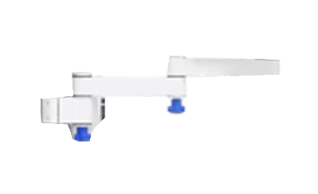 Material High Strength Aluminium Alloy, 240 + 240 mm |  | 1 | pcs | Fepdon(Nanjing) Medical Technology Co., Ltd | Impor
10 | Infusion Pole | Material Stainless Steel, Panjang 1000 + 500 mm |  | 1 | pcs | PT Cahaya Hasil Cemerlang Multi Manufaktur | Lokal
11 | Infusion Hook | Stainless Steel |  | 1 | pcs | PT Cahaya Hasil Cemerlang Multi Manufaktur | Lokal
12 | Drawer | Material Aluminium alloy + ABS | 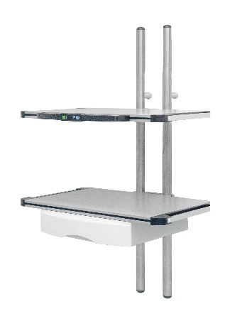 | 1 | pcs | Fepdon(Nanjing) Medical Technology Co., Ltd | Impor
13 | Net Basket | Stainless Steel |  | 1 | pcs | Fepdon(Nanjing) Medical Technology Co., Ltd | Impor
14 | Network Module | Material ABS, Tipe RJ45 |  | 1 | pcs | Fepdon(Nanjing) Medical Technology Co., Ltd | Impor
15 | Copper tee connect | Material Copper |  | 2 | pcs | Fepdon(Nanjing) Medical Technology Co., Ltd | Impor

